P&ID
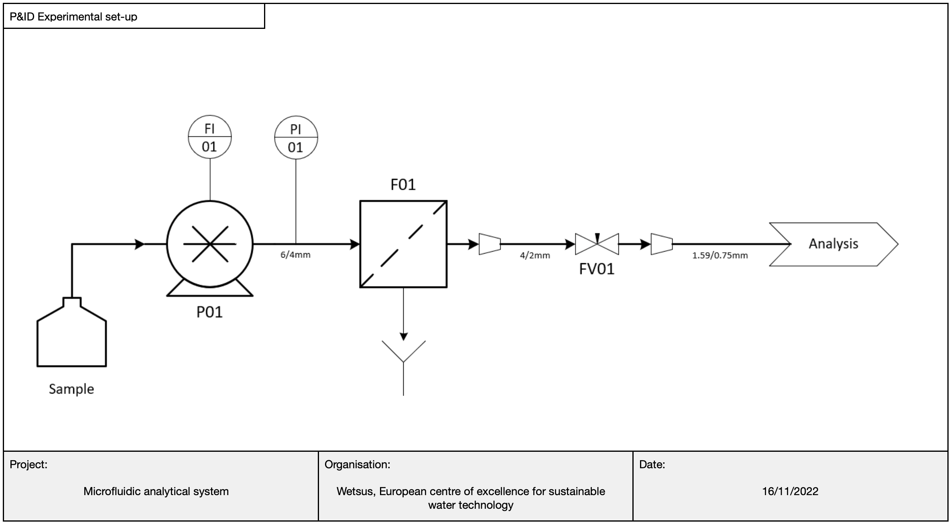

Pressure model_ultrafiltration
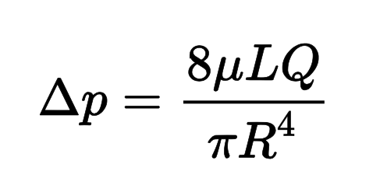
Variable | Value | Unit | Note
Hydrolic pressure drop (in n fibers) | 1.23E-26 | Pa
 | 1.23E-31 | bar

 |  |  | Hagen-Poiseuille equation

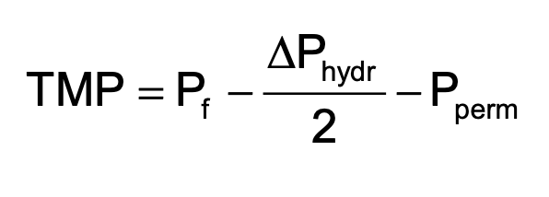
Maximum feed pressure (P_f) | 1.81E+05 | Pa
System boundaries: | 1.81E+00 | bar
F01

 |  |  | TMP equation

Maximum feed pressure (P_1) | 1.81E+05 | Pa
System boundaries: | 1.8135574999 | bar
PI01

 |  |  | Bernoulli's principle (excluding potential energy component)

